1. Title Page
Grocery Basket Analysis

Project Name: The Grocery Basket Analysis
Date: 2024.12.
Analyst Name: Agne Steponaityte
Data source: “The Instacart Online Grocery Shopping Dataset 2017”, Accessed from www.instacart.com/datasets/grocery-shopping-2017 via Kaggle on [date].*

Contents:
Population Flow
Consistency checks
Wrangling steps
Column derivations
Visualizations
Recommendations

*Pricing and customer information was fabricated for the purpose of this exercise.

2. Population Flow
Title page

Population flow

Exclusion flag
Condition: max_order < 5
Obervations to be removed: N/A
Final total count of order_products_all: 30964564

Orders_products_combined
Orders_products_merged
Orders_products_all

Total: 32404859
Total: 32434489
Total: 32404859

1.) The grey boxes in the first row of the population flow represent the original data sets as they were when you downloaded them. In the Total fields you need to add the count of the rows when you imported the data set into Jupyter.
2.) The second row of boxes (coloured) represents the data sets after you manipulated them, e.g., removed missing values and duplicates. In the Total fields you need to add the count of the rows after conducting these operations. This offers a visual oveview of how the data flows throughout the data consistency checks.
3.) The third row, where also the arrows are coloured, represents the merges you performed between the datasets. In the Total fields you need to add the count of the rows in the merged datasets, so that you end up with the final dataset (in the red box). Keep in mind the final dataset should be without exclusions (based on the exclusion flag).

3. Consistency checks
 |  |  |  | Title page
Consistency checks

Dataset | Missing values | Missing values treatment | Duplicates
orders | A lot of (206209) values that equal null, but they are justified, appriopriate valies given the columns purpose (counting how many days have passed since the last purchase). | Created a new column called new_customer to indicate the first time purchases. | No duplicates found.
products | 16 in 'product_name' | Creating a subset of data without the missing values | 5 duplicates found and dropped.
orders_products_prior | None | None | None
customers | 11259 of first names | eliminated the column as it didn’t add much to the analysis | No duplicates found.

4. Wrangling steps
 |  |  |  | Title page
Wrangling steps

Columns dropped | Columns renamed | Columns' type changed | Comment/Reason
eval_set from orders.csv df |  |  | Has one value that is irrelevant to the analysis.
 | order_dow > orders_day_of_week |  | Clarity
 |  | order_id to string | It does not represent numeric values, but keys.
 |  | order_number to string | It does not represent numeric values, but keys.
name from customers |  |  | Many missing values
surname from customers |  |  | For privacy reasons
 | Gender > sex |  | Those are two different things
 | STATE > state |  | Capitalization
 | Age > age |  | Capitalization
 | n_dependants < #_of_dependants |  | Clarity
 |  | user_id to string | It does not represent numeric values, but keys.
_merged |  |  | Has one value that is irrelevant to the analysis.
XX Unnamed |  |  | Unneccessary addition

5. Column derivations
 |  |  |  | Title page

Column derivations and aggregations

In this tab you should add tables below that the frequences of flags/label variables that you produced after deriving them. NB: don't do this for continuous variables, only for flags.
Dataset | New column | Column/s it was derived from | Conditions
ords_prods_merge | price_label | prices | if the price is under $5, then it is labeled a 'Low-range product'
 |  |  | if the price is between $5 and $15, then it is labeled 'Mid-range product'
 |  |  | if the price is $15 or more, then it is labeled a 'High-range product'
ords_prods_merge | busiest_days | orders_day_of_week | if the day is Saturday (0) or Sunday (1), then it is labeled "Busiest Day"
 |  |  | if the day is Tuesday (3) or Wednesday (4), then it is labeled "Least Busy"
 |  |  | if it is any other day, then it is labeled "Regularly Busy"
ords_prods_merge | busiest_period_of_day | order_hour_of_day | if it is 9AM to 4PM, then it is labeled 'Most Orders'
 |  |  | if it is 11PM to 6AM, then it is labeled 'Fewest Orders'
 |  |  | if it is 7AM to 8AM or 5PM to 10PM, then it is labeled 'Average Orders'
ords_prods_merge | loyalty_flag | max_orders | if the maximum order is more than 40, it's a 'Loyal customer'
 |  |  | if the maximum order is between 40 and 10, it is a 'Regular customer'
 |  |  | if the maximum order is 10 or under, it is a 'New customer'
ords_prods_merge | spending_flag | average_spending | if the avergage sum spent is under 10, then it is a 'Low spender'
 |  |  | if the avergage sum spent is 10 or more, then it is a 'High spender'
ords_prods_merge | frequency_flag | buying_frequency | if the days between purchases are over 20, then it is a 'Non-frequent customer'
 |  |  | if the days between purchases are between 20 and 10, then it is a 'Regular customer'
 |  |  | if the days between purchases are 10 or under, then it is a 'Frequent customer'
customer_order_product | regions | states | if the state is Maine, New York, New Hamphire, Vermont, Massatchesetts, Rhode Island, Connecticult, Pennsylvania, New Jersey, then it is 'Northeast'
 |  |  | if the state is Wisconsin, Michigan, Illinois, Indiana, Ohio, North Dakota, South Dakota, Nebraska, Kansas, Minnesota, Iowa, Missouri, the it is 'Midwest
 |  |  | if the state is Delaware, Maryland, District of Columbia, Virginia, West Virginia, Georgia, Texas, Kentucky, Alabama, Florida, Loisiana, North Carolina, South Carolina, Tennessee, Mississippi, Arkansas, Oklahoma, then it is 'South'
 |  |  | if the state is Idaho, Montana, Wyoming, Nevada, Utah, Colorado, Arizona, New Mexico, Alaska, California, Oregon, Washington, Hawaii, then it is 'West'
customer_order_product | exclusion_flag | max_orders | if the maximum order is less than 5, it is 'Low-activity customer'
 |  |  | if the maximum order is 5 or more, then it is a 'Normal customer'
customer_order_product | customer_profile | age, income, and #_of_dependants | if the person is under 25, has low income, and doesn’t have dependants, then it is 'Young adult, low income'
 |  |  | if the person is under 25, has medium income, and doesn’t have dependants, then it is 'Young adult, medium income'
 |  |  | if the person is under 25, has high income, and doesn’t have dependants, then it is 'Young adult, high income'
 |  |  | if the person is under 25, has low income, and does have dependants, then it is 'Young parent, low income'
 |  |  | if the person is under 25, has medium income, and does have dependants, then it is 'Young parent, medium income'
 |  |  | if the person is under 25, has high income, and does have dependants, then it is 'Young parent, high income'
 |  |  | if the person is between 25 and 40, has low income, and doesn't have dependants, then it is 'Childfree adult, low income'
 |  |  | if the person is between 25 and 40, has medium income, and doesn't have dependants, then it is 'Childfree adult, medium income'
 |  |  | if the person is between 25 and 40, has high income, and doesn't have dependants, then it is 'Childfree adult, high income'
 |  |  | if the person is between 25 and 40, has low income, and does have dependants, then it is 'Adult parent, low income'
 |  |  | if the person is between 25 and 40, has medium income, and does have dependants, then it is 'Adult parent, medium income'
 |  |  | if the person is between 25 and 40, has high income, and does have dependants, then it is 'Adult parent, high income'
 |  |  | if the person is between 40 and 65, has low income, and doesn't have dependants, then it is 'Childfree middleage, low income'
 |  |  | if the person is between 40 and 65, has medium income, and doesn't have dependants, then it is 'Childfree middleage, medium income'
 |  |  | if the person is between 40 and 65, has high income, and doesn't have dependants, then it is 'Childfree middleage, high income'
 |  |  | if the person is between 40 and 65, has low income, and does have dependants, then it is 'Middleage parent, low income'
 |  |  | if the person is between 40 and 65, has medium income, and does have dependants, then it is 'Middleage parent, medium income'
 |  |  | if the person is between 40 and 65, has high income, and does have dependants, then it is 'Middleage parent, high income'
 |  |  | if the person is between over 65, has low income, and doesn't have dependants, then it is 'Childfree senior, low income'
 |  |  | if the person is between over 65, has middle income, and doesn't have dependants, then it is 'Childfree senior, middle income'
 |  |  | if the person is between over 65, has high income, and doesn't have dependants, then it is 'Childfree senior, high income'
 |  |  | if the person is between over 65, has low income, and does have dependants, then it is 'Senior parent, low income'
 |  |  | if the person is between over 65, has medium income, and does have dependants, then it is 'Senior parent, medium income'
 |  |  | if the person is between over 65, has high income, and does have dependants, then it is 'Senior parent, high income'

6. Visualizations
 | Title page

Visualisations

In this tab you should include all the visualtions from Exercises 4.9 and 4.10, alongside the questions from the project brief that they answer. Include any commentary on the relationship between different variables.

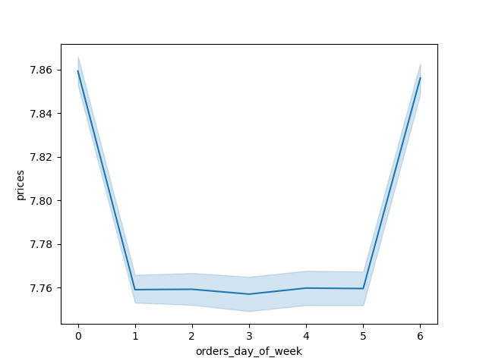
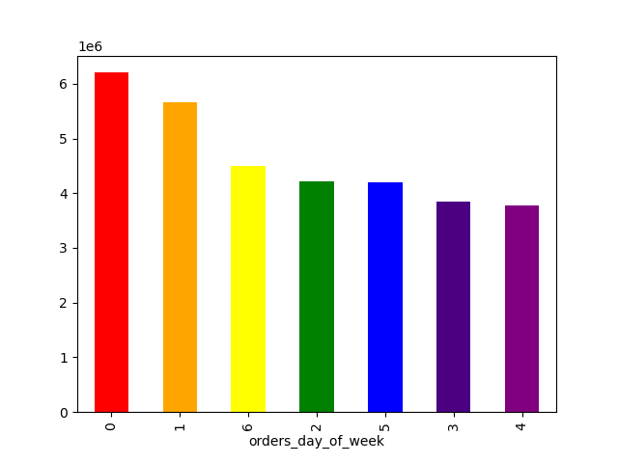

This table indicates on which days of week there is the most traffic (0 - Saturday, 1- Sunday, 2 - Monday, 3 - Tuesday, 4 - Wednesday, 5 - Thursday, 6 - Friday). | The price difference between orders on different days of the week (0 - Saturday, 1- Sunday, 2 - Monday, 3 - Tuesday, 4 - Wednesday, 5 - Thursday, 6 - Friday).




The frequency of price points throughout the product range. | The customer traffic during each hour of the day.

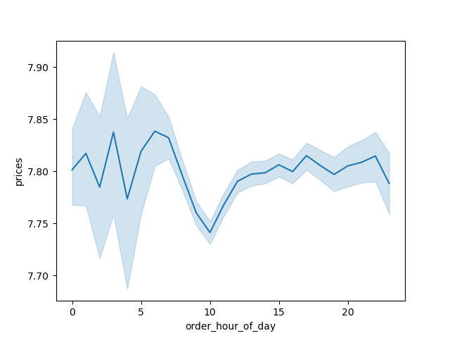

The number of regular, loyal, and new customers in that order.
 | The prices of items that are being bough at a specific hour of the day (by hour).

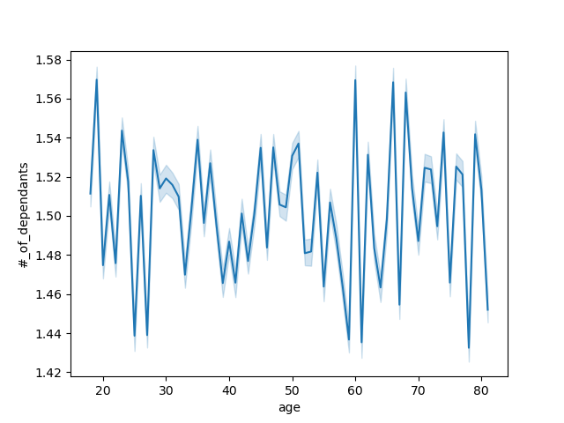

Number of dependants based on age. There was no correlation found. | Income based on age.
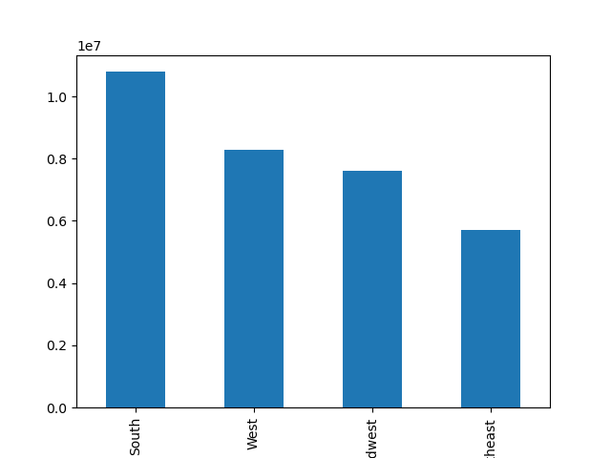
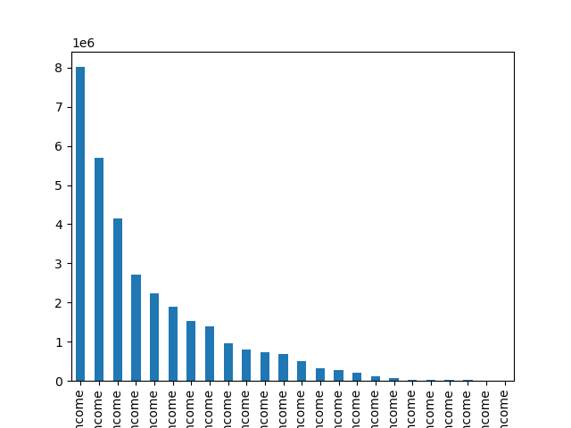

Income based on customer profiles. | Customers based on region.

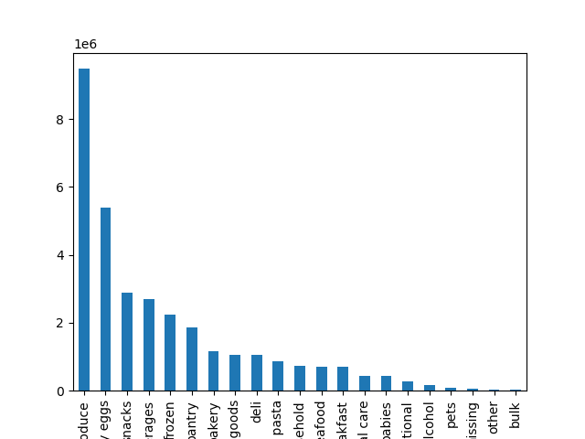

Department frequency in purchases.

7. Recommendations
 |  |  | Title page

Recommendations

In this tab you should include any recommendations you would made to Instcart in terms of their marketing strategy based on the questions posed in the brief. Every key question has been covered in the Tasks of the Exercises - here you need to add an item - a visualisation or table/crosstable that is showing the answer in the data, acompanied by a comment from you. Please, list the questions below and add the answer underneath.

Question | Answer | Recommendation
The sales team needs to know what the busiest days of the week and hours of the day are (i.e., the days and times with the most orders) in order to schedule ads at times when there are fewer orders | The top 3 busiest days: Saturday, Sunday, Friday. The top 3 busiest hours: 11AM, 12PM, 3PM. The store, overall, is the busiest between 11AM and 4PM | Weekend deals would be appealing. If there's a need to increase buying duting other times of the week, might make sense to make special offers for weekdays. It could be one special offer for each day of the week. One could also dedicate the day when tehre isn't a lot of traffic to attract sertain customers (such as senior discounts on Tuesdays).
They also want to know whether there are particular times of the day when people spend the most money, as this might inform the type of products they advertise at these times | People spend the most money on products early in the morning, presumably grabbing essentials for the day between 6 and 8 AM. | Morning essientials can be an interesting ad, boosting sales for common breakfast related products such as coffee, baked goods, cereals.
Instacart has a lot of products with different price tags. Marketing and sales want to use simpler price range groupings to help direct their efforts | The price_label column will really come in handy here. There products are categorized into low, mid and high range products according to their price. | Could produce targeted ads based on customer income levels and product affordability.
Are there certain types of products that are more popular than others? The marketing and sales teams want to know which departments have the highest frequency of product orders. | Produce is the most popular department out of all, with dairy/eggs in second place, and snacks in third. | Bulk, pets, and alcohol are the least popular departments. Discounts might be necessary to attract more customers.
What’s the distribution among users in regards to their brand loyalty (i.e., how often do they return to Instacart)? | Regular customers that have shopped between 40 and 10 times are the most common. Loyal customers with over 40 purchases take the sencond spot. The third spot is taken by the new customers with less than 10 purchases under their belts. | These should be a stategy for keeping the customers returning. Maybe, every 10th order they get 10% off their purchase. Maybe the 40th order, the one that would make them a loyal customer, is extra special. Creating a virtual loyalty card where points can be collected in exchange of various bonuses could also be attarctive.
Are there differences in ordering habits based on a customer’s loyalty status? | The differences are really marginal. The average amount of money spent by the loyal customers is thechnically the smallest: 7.77 (regular customers: 7.79; new customers: 7.8). However, one could deduce that the average is because people tend to buy more product and diffrent pricing simply adjust the average. One could potentially assume, that in the beginning, new customers try to get more "bank for their buck" when ordering, but they lose the need to do that when they use the service longer. | Loyalty program mentioned about can influence this.
Are there differences in ordering habits based on a customer’s region? | There don’t seem to be any noticable differences. | Seems that the bigger the region is, the more products get purchased. We could potentially use the knowledge on regions to advertise region-specific products that are popular during the year.
Is there a connection between age and family status in terms of ordering habits? | Yes, there is. Adults (over 25 years old) to seniors (over 65) are more likely to use Instacart. Parents are also more frequent customers compared to childfree people. | Young people are not that keen on using Instacart. They tend to not plan as much and would probably be more likely to get things one the go, then preplan their shopping. Targeting them might be difficult.
What different classifications does the demographic information suggest? Age? Income? Certain types of goods? Family status? | At the moment, the classification includes age, number of dependants, and income. One can, in addition also add familial status if needed as well as certain department goods, depending on the information needed. | Age, income, and number of dependants seems to be the most intuitive profile. However, if we wish to identify whp buys the most pet products for example, this can be done, too.
What differences can you find in ordering habits of different customer profiles? Consider the price of orders, the frequency of orders, the products customers are ordering, and anything else you can think of. | Middleged parents and seniors order from Instacart the most frequently. Middleage, adult, and senior parents are the most common customer type present. When it comes to buying habits for certain departments, there are no big trends present. It seems that a lot purchases simply depend on how big the customer demographics are. The only noticable buying trend is that people with high income do not care for bulk items, This makes sense as their income suggests they do not worry about buying things at a higher prices. | Prioritize parents. Include images of parents and children in our marketing language as well as images. Present instacart as a solution for busy parents that want to feed their kids healthy food.

